Summative
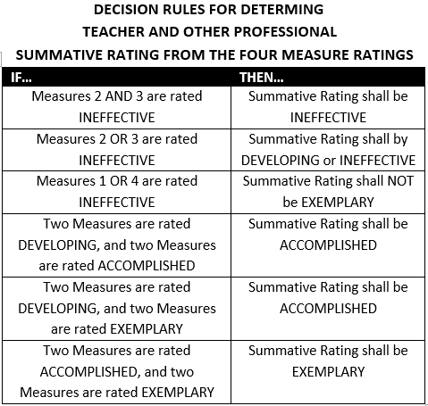
3-Yr Cycle |  |  |  | Summative Rating
Therapeutic Specialist: |  | School:
Supervisor: |  | Date:
 | Obs #1 | Obs #2 | FULL
1A: Demonstrating Knowledge and Skill in the Specialist Therapy Area Holding the Relevant Certificate or License | Select Rating | Select Rating | Select Rating
1B: Establishing Goals for the Therapy Program Appropriate to the Setting and the Students Served | Select Rating | Select Rating | Select Rating | Professional Practice Rating (Domain) | Rating
1C: Demonstating Knowledge of District, State, and Federal Regulations and Guidelines | Select Rating | Select Rating | Select Rating | Domain 1: Planning and Preparation | ENTER RATING
1D: Demonstrating Knowledge of Resources Both Within and Beyond the School and District | Select Rating | Select Rating | Select Rating | Domain 2: Environment | ENTER RATING
1E: Planning the Therapy Program Integrated with the Regular School Program to Meet the Needs of Individual Students | Select Rating | Select Rating | Select Rating | Domain 3: Delivery of Service | ENTER RATING
1F: Developing a Plan to Evaluate the Therapy Program | Select Rating | Select Rating | Select Rating | Domain 4: Professional Responsibilities | ENTER RATING
Overall Rating for Domain 1 | Select Rating | Select Rating | Select Rating | Standard Ratings determined using all sources
2a: Establishing Rapport with Students | Select Rating | Select Rating | Select Rating | of evidence and professional judgement.
2b: Organizing Time Effectively | Select Rating | Select Rating | Select Rating
2c: Establishing and Maintaining Clear Procedures for Referrals | Select Rating | Select Rating | Select Rating
2d: Establishing Standards of Conduct in the Treatment Center | Select Rating | Select Rating | Select Rating | OVERALL PERFORMANCE CATEGORY | ENTER RATING
2e: Organizing Physical Space for Testing Students & Providing Therapy | Select Rating | Select Rating | Select Rating
Overall Rating for Domain 2 | Select Rating | Select Rating | Select Rating
3a: Responding to Referrals and Evaluating Student Needs | Select Rating | Select Rating | Select Rating
3b: Developing and Implementing Treatment Plans to Maximize Student Success | Select Rating | Select Rating | Select Rating | I have participated in a summative conference (as required by my district evaluation plan) and have received a copy of this summative document. I am aware I may choose to submit a written response to be attached to this evaluation.
3c: Communicating with Families | Select Rating | Select Rating | Select Rating
3d: Collecting Information; Writing Reports | Select Rating | Select Rating | Select Rating
3e: Demonstrating Flexibility and Responsiveness | Select Rating | Select Rating | Select Rating
Overall Rating for Domain 3 | Select Rating | Select Rating | Select Rating
4A: Reflecting on Practice | Select Rating | Select Rating | Select Rating
4B: Collaborating with Teachers and Administrators | Select Rating | Select Rating | Select Rating | Teacher: | Date:
4C: Maintaining and Effective Data Management System | Select Rating | Select Rating | Select Rating
4D: Participating in a Professional Community | Select Rating | Select Rating | Select Rating
4E: Engaging and Professional Development | Select Rating | Select Rating | Select Rating
4F: Showing Professionalism; Including Integrity, Advocacy, and Maintaining Confidentiality | Select Rating | Select Rating | Select Rating | Observer: | Date:
Overall Rating for Domain 4 | Select Rating | Select Rating | Select Rating

