Summative
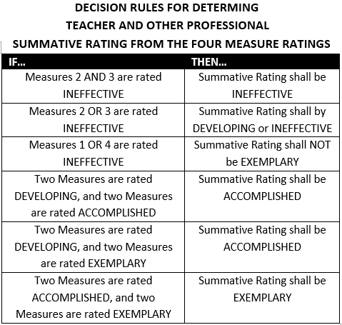
3-Yr Cycle |  |  |  | Summative Rating
Guidance Counselor: |  | School:
Supervisor: |  | Date:
 | Obs #1 | Obs #2 | FULL
1A: Demonstrating Knowledge of Counseling Theory and Techniques | Select Rating | Select Rating | Select Rating
1B: Demonstrating Knowledge of Child and Adolescent Development | Select Rating | Select Rating | Select Rating | Professional Practice Rating (Domain) | Rating
1C: Establishing Goals for the Counseling Program Appropriate to the Setting and the Students Served | Select Rating | Select Rating | Select Rating | Domain 1: Planning and Preparation | ENTER RATING
1D: Demonstrating Knowledge of State and Federal Regulations and of Resources Both Within and Beyond School and District | Select Rating | Select Rating | Select Rating | Domain 2: Environment | ENTER RATING
1E: Plan in the Counseling Program Integrated with the Regular School Program | Select Rating | Select Rating | Select Rating | Domain 3: Delivery of Service | ENTER RATING
1F: Develping a Plan to Evaluate the Counseling Program | Select Rating | Select Rating | Select Rating | Domain 4: Professional Responsibilities | ENTER RATING
Overall Rating for Domain 1 | Select Rating | Select Rating | Select Rating | Standard Ratings determined using all sources
2a: Creating an Environment of Respect and Rapport | Select Rating | Select Rating | Select Rating | of evidence and professional judgement.
2b - Establishing a culture for productive communication | Select Rating | Select Rating | Select Rating
2c - Managing routines and procedures | Select Rating | Select Rating | Select Rating
2d - Establishing standards of conduct and contributing to the culture for student behavior throughout the school | Select Rating | Select Rating | Select Rating | OVERALL PERFORMANCE CATEGORY | ENTER RATING
2e: Organizing Physical Space | Select Rating | Select Rating | Select Rating
Overall Rating for Domain 2 | Select Rating | Select Rating | Select Rating
3a - Assessing student needs | Select Rating | Select Rating | Select Rating
3b - Assisting students and teachers in the formulation of academic personal social and career plans based on knowledge of student needs | Select Rating | Select Rating | Select Rating | I have participated in a summative conference (as required by my district evaluation plan) and have received a copy of this summative document. I am aware I may choose to submit a written response to be attached to this evaluation.
3c - Using counseling techniques in individual and classroom programs | Select Rating | Select Rating | Select Rating
3d - Brokering resources to meet needs | Select Rating | Select Rating | Select Rating
3e - Demonstrating flexibility and responsiveness | Select Rating | Select Rating | Select Rating
Overall Rating for Domain 3 | Select Rating | Select Rating | Select Rating | Teacher: | Date:
4A: Reflecting on Practice | Select Rating | Select Rating | Select Rating
4B: Maintaining Records and Submitting them in a Timely Fashion | Select Rating | Select Rating | Select Rating | Observer: | Date:
4C: Communicating with Families | Select Rating | Select Rating | Select Rating
4D: Participating in a Professional Community | Select Rating | Select Rating | Select Rating
4E: Engaging in Professional Development | Select Rating | Select Rating | Select Rating
4F: Showing Professionalism | Select Rating | Select Rating | Select Rating
Overall Rating for Domain 4 | Select Rating | Select Rating | Select Rating

