Summative
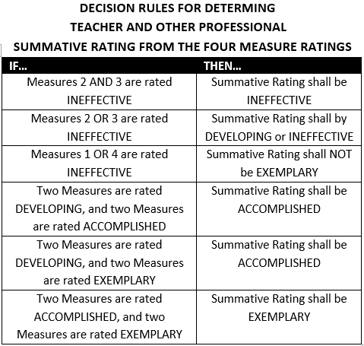
3-Yr Cycle |  |  |  | Summative Rating
Library/Media Specialist: |  | School:
Supervisor: |  | Date:
 | Obs #1 | Obs #2 | FULL
1A: Demonstrating Knowledge of Content Curriculum and Process | Select Rating | Select Rating | Select Rating
1B: Demonstrating Knowledge of Students | Select Rating | Select Rating | Select Rating | Professional Practice Rating (Domain) | Rating
1C: Supporting Instructional Goals | Select Rating | Select Rating | Select Rating | Domain 1: Planning and Preparation | ENTER RATING
1D: Demonstrating Knowledge and Use of Resources | Select Rating | Select Rating | Select Rating | Domain 2: Environment | ENTER RATING
1E: Demonstrating Knowledge of Literature and Lifelong Learning | Select Rating | Select Rating | Select Rating | Domain 3: Delivery of Service | ENTER RATING
1F: Collaborating in the Design of Instructional Experiences | Select Rating | Select Rating | Select Rating | Domain 4: Professional Responsibilities | ENTER RATING
Overall Rating for Domain 1 | Select Rating | Select Rating | Select Rating | Standard Ratings determined using all sources
2A: Creating an Environment of Respect and Rapport | Select Rating | Select Rating | Select Rating | of evidence and professional judgement.
2B: Establishing a Culture for Learning | Select Rating | Select Rating | Select Rating
2C: Managing Library Procedures | Select Rating | Select Rating | Select Rating
2D: Managing Student Behavior | Select Rating | Select Rating | Select Rating | OVERALL PERFORMANCE CATEGORY | ENTER RATING
2E: Organizing Physical Space | Select Rating | Select Rating | Select Rating
Overall Rating for Domain 2 | Select Rating | Select Rating | Select Rating
3A: Communicating Clearly and Accurately | Select Rating | Select Rating | Select Rating | I have participated in a summative conference (as required by my district evaluation plan) and have received a copy of this summative document. I am aware I may choose to submit a written response to be attached to this evaluation.
3B: Using Questioning and Research Techniques | Select Rating | Select Rating | Select Rating
3C: Engaging Students in Learning | Select Rating | Select Rating | Select Rating
3D: Assessment in Instruction | Select Rating | Select Rating | Select Rating
3E: Demonstrating Flexibility and Responsiveness | Select Rating | Select Rating | Select Rating
Overall Rating for Domain 3 | Select Rating | Select Rating | Select Rating
4A: Reflecting on Practice | Select Rating | Select Rating | Select Rating | Teacher: | Date:
4B: Maintaining Accurate Records | Select Rating | Select Rating | Select Rating
4C: Communicating with School Staff and Community | Select Rating | Select Rating | Select Rating
4D: Participating in a Professional Community | Select Rating | Select Rating | Select Rating | Observer: | Date:
4E: Growing and Developing Professionally | Select Rating | Select Rating | Select Rating
4F: Collection Development and Maintenance | Select Rating | Select Rating | Select Rating
Overall Rating for Domain 4 | Select Rating | Select Rating | Select Rating

